plot
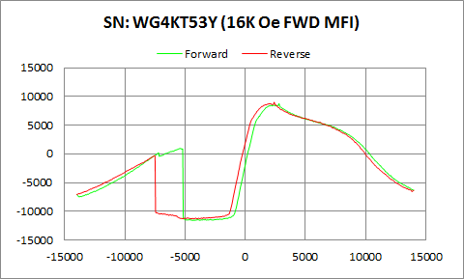

WG4KT53Y | Forward |  | Reverse
 | Ampl | Field | Ampl | Field
50% Roll-off Field | -1399.287 | 10907.343993 | -1150.969 | 10447.095469
P1 Switching Field | 972.6541 | -5350.518 | -351.8182 | -7549.858

Others | 0.53876314139 | 0.61728206202

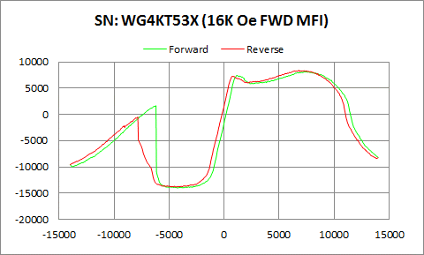

WG4KT53X | Forward |  | Reverse
 | Ampl | Field | Ampl | Field
50% Roll-off Field | -2935.225 | 11905.983713 | -2702.8 | 11486.107606
P1 Switching Field | 1652.667 | -6200.859 | -498.7427 | -7849.053

Others | 0.59949242442 | 0.70610230199

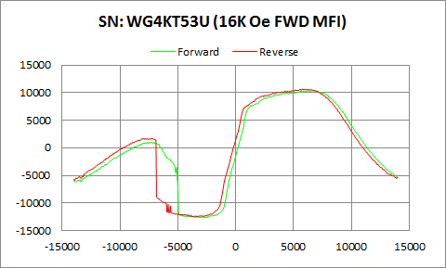

WG4KT53U | Forward |  | Reverse
 | Ampl | Field | Ampl | Field
50% Roll-off Field | -1131.48 | 11806.0216 | -926.73 | 11368.778273
P1 Switching Field | 1002.169 | -7350.396 | 1691.301 | -7200.798

Others | 0.61608013001 | 0.58973530616

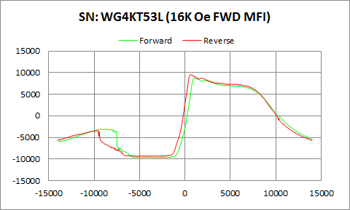

WG4KT53L | Forward |  | Reverse
 | Ampl | Field | Ampl | Field
50% Roll-off Field | -483.9965 | 10483.93811 | 76.646 | 10088.263189
P1 Switching Field | -3061.462 | -9300.408 | -3450.245 | -9599.602

Others | 0.32197958547 | 0.35152886208

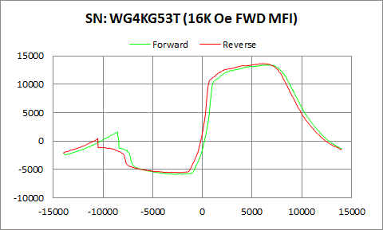

WG4KG53T | Forward |  | Reverse
 | Ampl | Field | Ampl | Field
50% Roll-off Field | 3806.2345 | 10748.185298 | 4034.473 | 10284.125738
P1 Switching Field | 1596.783 | -8549.797 | 456.6325 | -10549.68

Others | 0.31221998956 | 0.38751107686

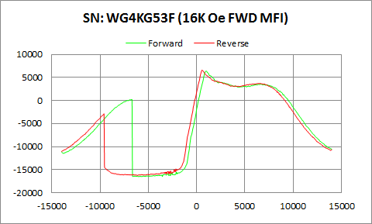

WG4KG53F | Forward |  | Reverse
 | Ampl | Field | Ampl | Field
50% Roll-off Field | -5066.213 | 11230.350629 | -4809.2095 | 10754.998685
P1 Switching Field | 215.4578 | -6749.382 | -2879.793 | -9599.602

Others | 0.58247441951 | 0.73330389589

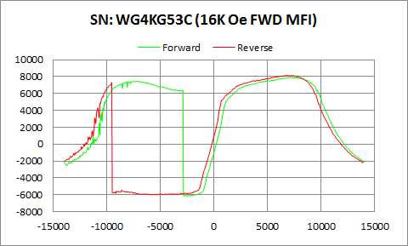

WG4KG53C | Forward |  | Reverse
 | Ampl | Field | Ampl | Field
50% Roll-off Field | 891.2185 | 11678.163653 | 1074.153 | 11235.316857
P1 Switching Field | 7467.4 | -7400.261 | 7294.876 | -9549.736

Others | 0.94490262359 | 0.96078010688

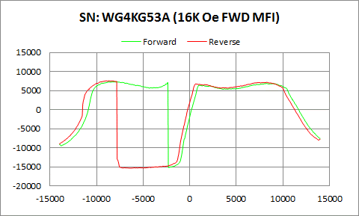

WG4KG53A | Forward |  | Reverse
 | Ampl | Field | Ampl | Field
50% Roll-off Field | -3909.2875 | 12630.37739 | -3880.074 | 12208.254069
P1 Switching Field | 7360.925 | -8150.872 | 7608.932 | -8699.395

Others | 1.0194134316 | 0.98095627246

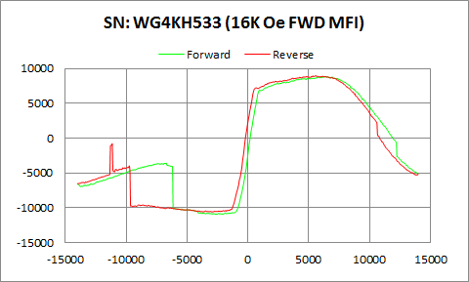

WG4KH533 | Forward |  | Reverse
 | Ampl | Field | Ampl | Field
50% Roll-off Field | -1035.9715 | 12208.909804 | -834.367 | 11163.151142
P1 Switching Field | -3604.755 | -6749.382 | -797.4475 | -11150.69

Others | 0.49592468798 | 0.37473887729

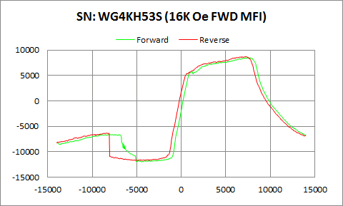

WG4KH53S | Forward |  | Reverse
 | Ampl | Field | Ampl | Field
50% Roll-off Field | -1751.7495 | 10614.580727 | -1512.224 | 10197.581699
P1 Switching Field | -6588.514 | -7450.127 | -6297.182 | -8400.2

Others | 0.26688899494 | 0.26374385032

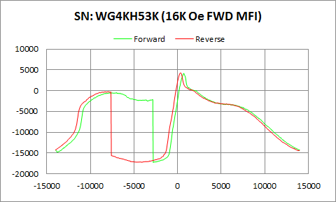

WG4KH53K | Forward |  | Reverse
 | Ampl | Field | Ampl | Field
50% Roll-off Field | -6554.9045 | 9255.0981573 | -6479.386 | 8948.9759306
P1 Switching Field | -465.0086 | -6998.711 | -261.059 | -7948.784

Others | 0.79269523118 | 0.78006308117

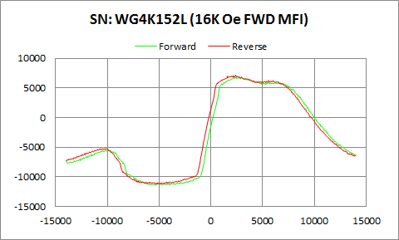

WG4K152L | Forward |  | Reverse
 | Ampl | Field | Ampl | Field
50% Roll-off Field | -2284.135 | 11113.128019 | -2006.214 | 10571.770155
P1 Switching Field | -5470.38 | -10200.62 | -5228.851 | -10100.88

Others | 0.32621500398 | 0.32308719411

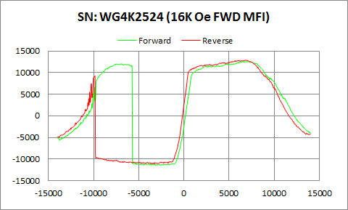

WG4K2524 | Forward |  | Reverse
 | Ampl | Field | Ampl | Field
50% Roll-off Field | 571.38 | 12037.862583 | 905.415 | 11344.700787
P1 Switching Field | 12047.74 | -6948.845 | 9216.607 | -9848.931

Others | 0.8447868338 | 0.97978855501

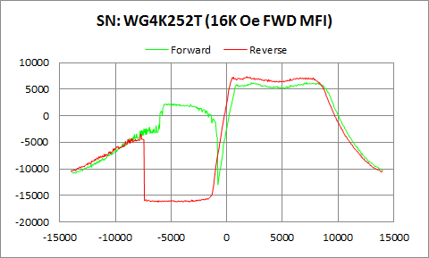

WG4K252T | Forward |  | Reverse
 | Ampl | Field | Ampl | Field
50% Roll-off Field | -3305.094 | 10837.171955 | -4427.1635 | 10876.269209
P1 Switching Field | 2261.314 | -5250.786 | -3461.885 | -7749.321

Butterfly | 0.66473439892 | 0.64222972469

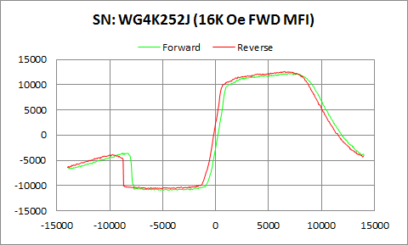

WG4K252J | Forward |  | Reverse
 | Ampl | Field | Ampl | Field
50% Roll-off Field | 676.02 | 11713.695399 | 997.605 | 11211.033925
P1 Switching Field | -3514.903 | -8799.126 | -3851.389 | -9699.334

Others | 0.29162285469 | 0.31923023801

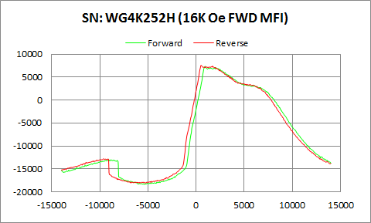

WG4K252H | Forward |  | Reverse
 | Ampl | Field | Ampl | Field
50% Roll-off Field | -5500.6675 | 9866.2286048 | -5252.638 | 9410.908936
P1 Switching Field | -12988.82 | -8848.992 | -12812.02 | -9649.468

Others | 0.20466911365 | 0.2090155487

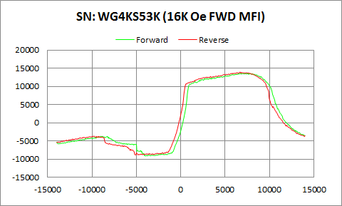

WG4KS53K | Forward |  | Reverse
 | Ampl | Field | Ampl | Field
50% Roll-off Field | 2234.9365 | 11335.601064 | 2530.4205 | 10862.487788
P1 Switching Field | -3714.74 | -9001.213 | -3660.145 | -9799.064

Others | 0.22851175995 | 0.23879337563

